Summary
 |  |  |  | Bank Al-Habib Limited
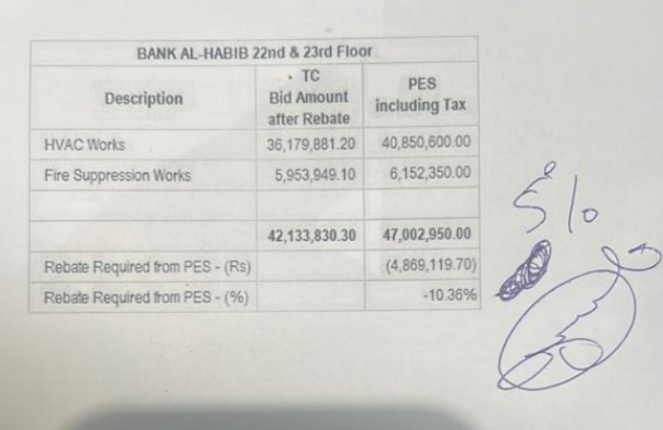

HVAC & Fire Fighting Work |  |  |  | 3-May-24
22nd & 23rd Floor Centerpoint Karachi

SUMMARY OF FINAL BILL

S.No | Description | Material | Labour | Amount
1 | HVAC 22nd Floor | 15,215,528 | 1,383,126 | 16,598,654
2 | HVAC 23rd Floor | 15,581,504 | 1,327,472 | 16,908,977
 | Total Amount HVAC |  |  | 33,507,631

3 | Fire Fighting 22nd Floor | 2,599,872 | 854,585 | 3,454,457
4 | Fire Fighting 23rd Floor | 2,354,536 | 800,351 | 3,154,887
 | Total Amount Fire Fighting |  |  | 6,609,344

 | Grand Total Amount | 35,751,440 | 4,365,535 | 40,116,975

